WS2812B Tiny T_bom_
Quantity Per PCB | DigiKey PN | Manufacturer | MPN | DNP | Part | References | Value | Footprint | Datasheet
7 | 1276-1066-2-ND | Samsung | CL21B105KAFNNNE |  | C | C3 C4 C5 C6 C7 C8 C9 | 1uF | C_0805_HandSoldering | ~
2 |  |  |  | DNP | C | C1 C2 | 20pF | C_0805_HandSoldering | ~
1 |  |  |  | DNP | Conn_01x02 | J1 | Conn_01x02 | CR2032 Housing | ~
1 |  |  |  | DNP | Conn_01x04 | J2 | Conn_01x04 | Pin_Header_Straight_1x04_Pitch2.54mm | ~
1 |  |  |  | DNP | Conn_02x04_Odd_Even | J3 | Conn_02x04_Odd_Even | Pin_Header_Straight_2x04_Pitch2.54mm | ~
1 | ATTINY85-20SURCT-ND | Microchip | ATTINY85-20SUR |  | ATtiny85-20PU | MCU1 | ATtiny85-20PU | ATtiny85_SMD | http://ww1.microchip.com/downloads/en/DeviceDoc/atmel-2586-avr-8-bit-microcontroller-attiny25-attiny45-attiny85_datasheet.pdf
1 | RR12P10.0KDCT-ND | Susumu | RR1220P-103-D |  | R | R1 | 10k | R_0805 | ~
1 |  |  |  |  | SW_Push | SW1 | SW_Push | SW_PUSH_6mm
1 | MC7805BDTRKGOSCT-ND | ON Semi | MC7805BDTRKG |  | L7805 | U41 | L7805 | TO-252-2 | http://www.st.com/content/ccc/resource/technical/document/datasheet/41/4f/b3/b0/12/d4/47/88/CD00000444.pdf/files/CD00000444.pdf/jcr:content/translations/en.CD00000444.pdf
40 | ebay | World Semi |  |  | WS2812B Black | U1 U2 U3 U4 U5 U6 U7 U8 U9 U10 U11 U12 U13 U14 U15 U16 U17 U18 U19 U20 U21 U22 U23 U24 U25 U26 U27 U28 U29 U30 U31 U32 U33 U34 U35 U36 U37 U38 U39 U40 | WS2812B | LED_WS2812B-PLCC4
1 |  |  |  |  | Crystal_GND24 | Y1 | Crystal_GND24 |  | ~
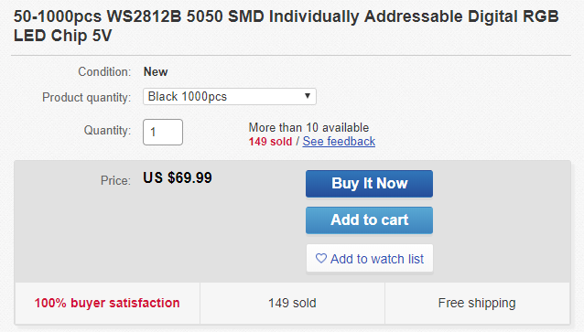

 |  |  |  |  | 11
 |  |  |  |  | 57
 |  |  |  |  | 57
 |  |  |  |  | 1
 |  |  |  |  | 57

 |  |  |  |  | 3/24/19
 |  |  |  |  | C:\Users\Reed\Documents\Dr. Bai\WS2812B Tiny T\WS2812B Tiny T.sch
 |  |  |  |  | Eeschema (5.0.0)

